Day-1
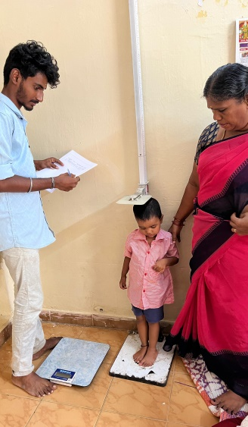
DAY-1

INTEGRATED CHILD DEVELOPMENT SERVICE (ICDS)

BATCH NO.2 ( LOGESH RAM.K, SRI RAM CHANDRA.M ,DHARSAN .V )

VISITED TIME :9.45AM |  |  |  | DATE:21.06.2024

1 | Name of the Block | Shenoy Nagar, Project 1
2 | Name of the Anganwadi Centre | Ahimshapuram 6th Street
3 | Name of the Anganwadi Worker | T.Kala
4 | Name of the Anganwadi Helper | Nil
5 | Building Ownership | Govt.
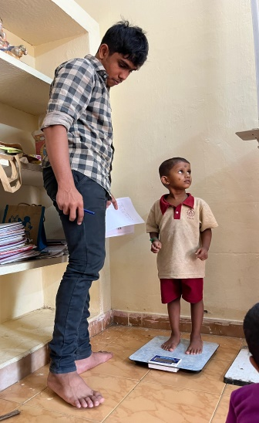
6 | Building Type | Pukka
7 | Building Facilities
 | EB Availability | Yes
 | Drinking Water | Yes
 | Toilet Availability | No
8 | Total Number of children available at AWC | 20
9 | Total No of children measured | 13
10 | Total of stunting | 3
11 | Total of wasting | 2
12 | Total no of underweight | Nil

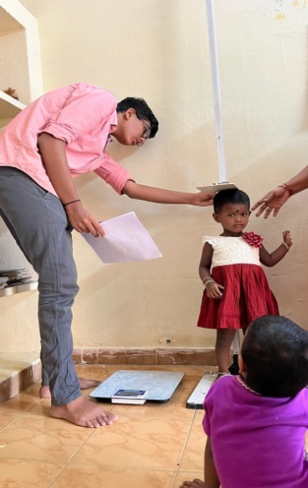
S.No. | Children Name | DOB | Age in months | Height (cm) | Weight (Kg)
1 | Haritha | 2021-11-21 | 31 | 90.2 | 12.500
2 | Ram Mohit | 2020-01-22 | 53 | 86.0 | 10.200
3 | Karthika Sree | 2020-12-13 | 42 | 93.5 | 12.300
4 | Pavithra Sree | 2021-02-03 | 40 | 100.2 | 14.200
5 | Dhanusskha | 2019-05-02 | 61 | 106.5 | 14.900
6 | Mukilan | 2021-08-28 | 34 | 95.0 | 12.300
7 | Iniyal | 2020-10-12 | 44 | 90.4 | 13.800
8 | Dhaniskha | 2022-04-12 | 26 | 88.2 | 11.200
9 | Guru | 2020-05-20 | 49 | 106.5 | 17.200
10 | Jeevitha | 2021-12-21 | 30 | 84.5 | 11.150
11 | Mariyam | 2021-05-01 | 37 | 83.5 | 10.200
12 | Dharshika | 2022-04-12 | 26 | 85.7 | 10.400
13 | Keerthana | 2022-04-08 | 26 | 99.0 | 13.000

Day -2
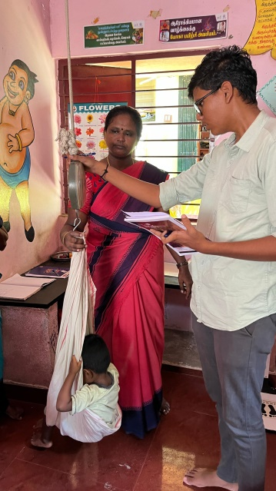
DAY-2

INTEGRATED CHILD DEVELOPMENT SERVICE (ICDS)

BATCH NO.2 ( LOGESH RAM.K, SRI RAM CHANDRA.M ,DHARSAN .V )

VISITED TIME :9.45AM |  |  |  | DATE:22.06.2024

1 | Name of the Block | Shenoy Nagar, Project 1
2 | Name of the Anganwadi Centre | Mullai Nagar
3 | Name of the Anganwadi Worker | T.vanitha
4 | Name of the Anganwadi Helper | Nil
5 | Building Ownership | Govt.
6 | Building Type | Pukka
7 | Building Facilities
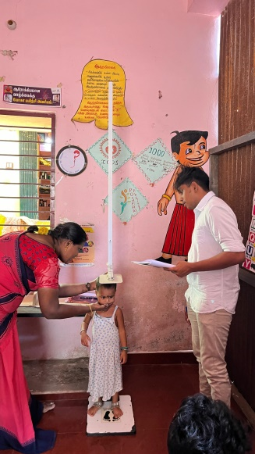
 | EB Availability | Yes
 | Drinking Water | No
 | Toilet Availability | Yes
8 | Total Number of children available at AWC | 20
9 | Total No of children measured | 18
10 | Total of stunting
11 | Total of wasting
12 | Total no of underweight | Nil

S.No. | Children Name | DOB | Age in months | Height (cm) | Weight (Kg)
1 | Aasu raja | 2020-06-18 | 48 | 101.0 | 14.600
2 | Rakshith | 2021-07-17 | 35 | 89.0 | 12.500
3 | sadanah | 2020-08-17 | 46 | 104.5 | 14.300
4 | sanjana | 2023-04-11 | 14 | 93.5 | 12.600
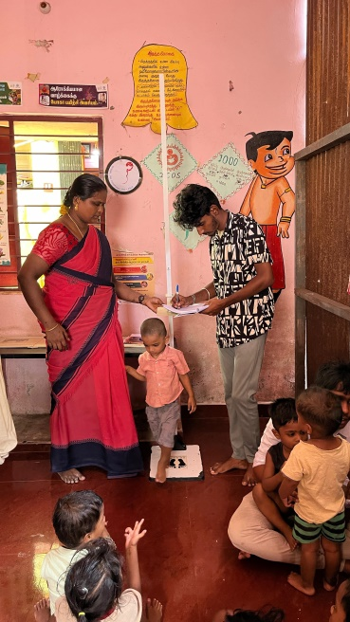
5 | janani | 2020-05-12 | 49 | 92.5 | 12.500
6 | subishka | 2022-05-02 | 25 | 89.5 | 11.800
7 | Anandha krishnan | 2019-08-24 | 58 | 101.5 | 14.000
8 | Tharun | 2020-07-29 | 47 | 93.5 | 11.500
9 | Thea jaya sree | 2020-06-03 | 48 | 102.5 | 15.300
10 | Gokula Hrishan | 2021-08-07 | 34 | 91.2 | 13.400
11 | Dharshana | 2022-04-11 | 26 | 87.5 | 13.000
12 | Hari ram | 2021-04-16 | 38 | 89.5 | 13.200
13 | Ragith dev | 2021-09-14 | 33 | 90.0 | 11.500
14 | Rakshana | 2022-04-03 | 26 | 83.5 | 10.400
15 | Nithya Jothi | 2021-08-04 | 34 | 89.5 | 11.400
16 | Mohit | 2022-06-07 | 24 | 78.5 | 10.000
17 | Kaviya | 2019-04-04 | 62 | 103 | 13.900
18 | Thiriyan | 2022-01-08 | 29 | 86 | 11.700

Day-3
DAY-3
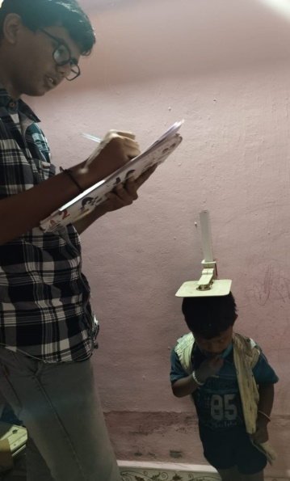
INTEGRATED CHILD DEVELOPMENT SERVICE (ICDS)

BATCH NO.2 ( LOGESH RAM.K, SRI RAM CHANDRA.M ,DHARSAN .V )

VISITED TIME :9.45AM |  |  |  | DATE:24.06.2024

1 | Name of the Block | Project 1
2 | Name of the Anganwadi Centre | Melakailasapuram
3 | Name of the Anganwadi Worker | Jothi Mani
4 | Name of the Anganwadi Helper | Nil
5 | Building Ownership | Private (Rent & Rent Free)
6 | Building Type | Pukka
7 | Building Facilities
 | EB Availability | Yes
 | Drinking Water | yes
 | Toilet Availability | Yes
8 | Total Number of children available at AWC | 23
9 | Total No of children measured | 13
10 | Total of stunting
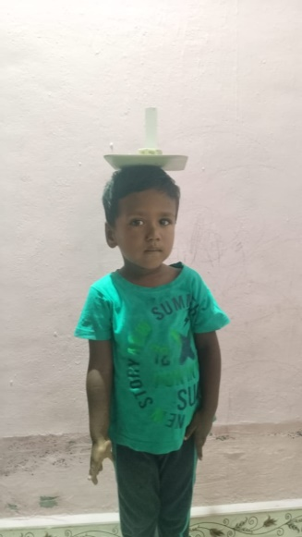
11 | Total of wasting
12 | Total no of underweight | Nil

S.No. | Children Name | DOB | Age in months | Height (cm) | Weight (Kg)
1 | Verayugan.M | 2022-09-04 | 21 | 84.0 | 9.350
2 | Shivani.M | 2020-06-29 | 48 | 96.5 | 13.550
3 | Vishwa.w | 2020-11-03 | 43 | 96.5 | 13.050
4 | Dhanya sri.s | 2021-11-05 | 31 | 82.0 | 9.850
5 | Mukishant.m | 2023-04-24 | 14 | 77.5 | 9.100
6 | Dhanishka sree.k | 2022-07-06 | 23 | 73.3 | 7.300
7 | Bhuvaneswari.m | 2021-06-26 | 36 | 87.8 | 11.100
8 | Sai Raghavi.b | 2020-12-28 | 42 | 99.0 | 13.200
9 | Suryaleka.r | 2020-09-30 | 44 | 95.0 | 10.550
10 | Santhosh.m | 2020-10-06 | 44 | 96.5 | 13.500
11 | Magilarasan.d | 2022-01-21 | 29 | 83.5 | 9.350
12 | Raventh.m | 2021-10-04 | 32 | 84.0 | 9.450
13 | Vijay kumar.v | 2022-11-18 | 19 | 83.0 | 11.700

Day-4
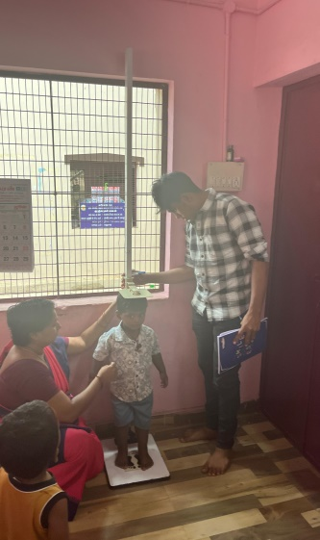
DAY-4

INTEGRATED CHILD DEVELOPMENT SERVICE (ICDS)

BATCH NO.2 ( LOGESH RAM.K, SRI RAM CHANDRA.M ,DHARSAN .V )

VISITED TIME :9.45AM |  |  |  | DATE:25.06.2024

1 | Name of the Block | Project 1
2 | Name of the Anganwadi Centre | Thakoor Nagar
3 | Name of the Anganwadi Worker | Geetha Devi.M
4 | Name of the Anganwadi Helper | Azaghu Meenal.p
5 | Building Ownership | Own
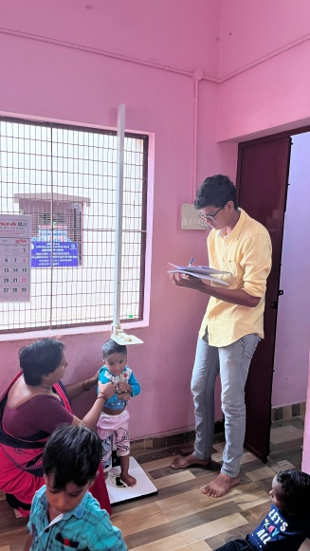
6 | Building Type | Pukka
7 | Building Facilities
 | EB Availability | Yes
 | Drinking Water | yes
 | Toilet Availability | Yes
8 | Total Number of children available at AWC | 20
9 | Total No of children measured | 13
10 | Total of stunting
11 | Total of wasting
12 | Total no of underweight | Nil

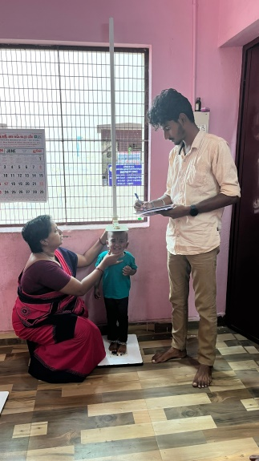
S.No. | Children Name | DOB | Age in months | Height (cm) | Weight (Kg)
1 | Puhal.v | 2020-10-10 | 44 | 102.3 | 16.300
2 | Mothi Sekar.m | 2022-02-17 | 28 | 80.5 | 9.600
3 | Siva Mukilan .k | 2021-09-06 | 33 | 83.5 | 10.100
4 | Niven Harish | 2022-06-30 | 23 | 88.7 | 12.700
5 | Amuthayalam.m | 2022-10-02 | 20 | 77.9 | 9.500
6 | Logith.e | 2021-11-18 | 31 | 84.7 | 10.600
7 | Saravana vel.r | 2021-08-06 | 34 | 90.5 | 11.900
8 | Ishanth.b | 2021-08-13 | 34 | 80.0 | 9.500
9 | Thanikasvel | 2022-05-21 | 25 | 81.2 | 9.000
10 | Adan mozhi varman.s | 2021-10-12 | 32 | 92.0 | 12.700
11 | Kathick.v | 2021-09-28 | 33 | 91.0 | 15.600
12 | Nila Pandi.r | 2021-05-25 | 37 | 82.5 | 9.100
13 | Vetrivelan.b | 2020-10-16 | 44 | 95.0 | 12.700

Day-5
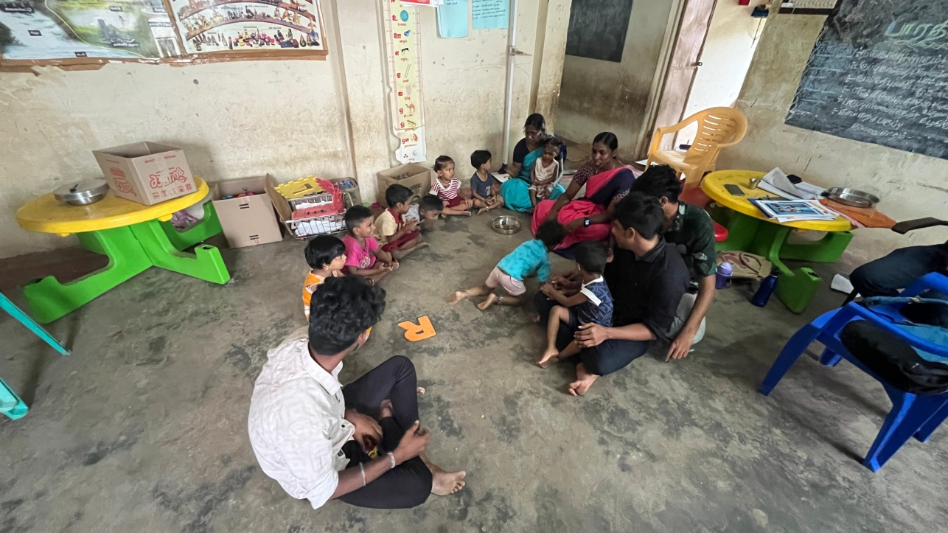
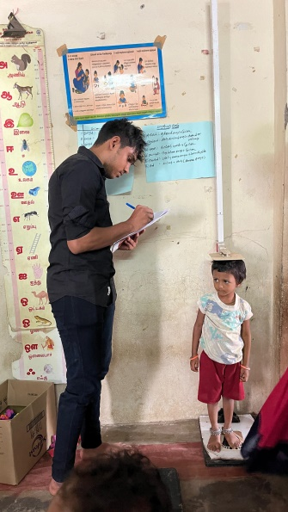
DAY-5

INTEGRATED CHILD DEVELOPMENT SERVICE (ICDS)

BATCH NO.2 ( LOGESH RAM.K, SRI RAM CHANDRA.M ,DHARSAN .V )

VISITED TIME :9.45AM |  |  |  | DATE:26.06.2024

1 | Name of the Block | Project 2
2 | Name of the Anganwadi Centre | Bharathiyar street
3 | Name of the Anganwadi Worker | Sankareswari
4 | Name of the Anganwadi Helper | Sanmuga sundari
5 | Building Ownership | Own
6 | Building Type | Pukka
7 | Building Facilities
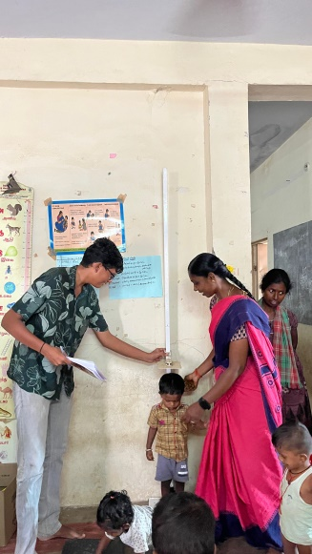
 | EB Availability | Yes
 | Drinking Water | yes
 | Toilet Availability | no
8 | Total Number of children available at AWC | 15
9 | Total No of children measured | 15
10 | Total of stunting | 1
11 | Total of wasting
12 | Total no of underweight | Nil

S.No. | Children Name | DOB | Age in months | Height (cm) | Weight (Kg)
1 | Mukuthan .v | 2022-04-12 | 26 | 84.5 | 10.300
2 | Muvith.s | 2022-04-12 | 26 | 89.5 | 11.000
3 | Yogitha.s | 2019-06-18 | 60 | 87.0 | 12.600
4 | Adhiswara Pandian.k | 2021-10-02 | 32 | 84.0 | 10.400
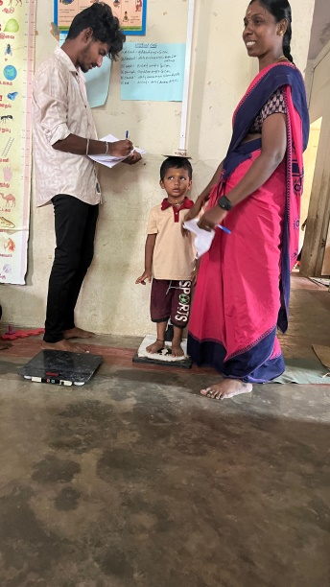
5 | Nagulesh.M | 2020-10-15 | 44 | 95.9 | 14.300
6 | Dhivanesh.T | 2019-09-09 | 57 | 99.0 | 15.300
7 | Pugalarasan.M | 2019-04-26 | 62 | 90.0 | 12.000
8 | Vignesh.M | 2019-08-24 | 58 | 94.5 | 13.500
9 | Magilh.S | 2020-05-30 | 48 | 96.7 | 14.100
10 | Naveen Chakaravarthi.M | 2019-12-04 | 54 | 102.0 | 16.000
11 | Ananya.M | 2020-02-11 | 52 | 91.5 | 12.000
12 | Rathamaran.P | 2020-09-20 | 45 | 87.0 | 10.000
13 | Dakshitha.B | 2020-05-07 | 49 | 91.5 | 11.300
14 | Haasini.S | 2019-12-14 | 54 | 102.2 | 12.800
15 | Mani Kandan.S | 2020-08-26 | 46 | 97.5 | 11.900

Day-6
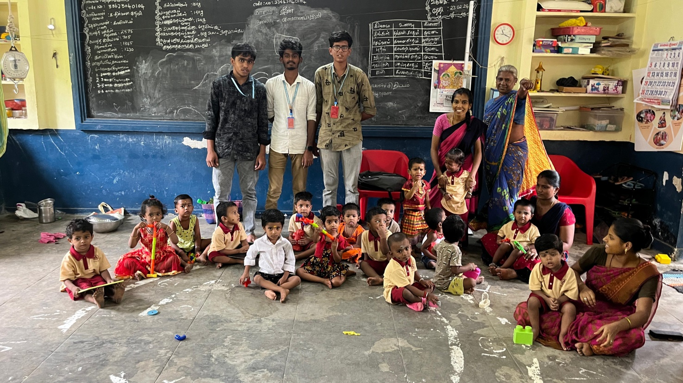
D

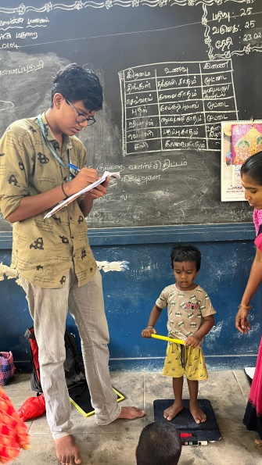
 | DAY-6

 | INTEGRATED CHILD DEVELOPMENT SERVICE (ICDS)

 | BATCH NO.2 ( LOGESH RAM.K, SRI RAM CHANDRA.M ,DHARSAN .V )

 | VISITED TIME :9.45AM |  |  |  | DATE:27.06.2024

 | 1 | Name of the Block | Project-2
 | 2 | Name of the Anganwadi Centre | Housing Board
 | 3 | Name of the Anganwadi Worker | Nirmala devi.G
 | 4 | Name of the Anganwadi Helper | Nil
 | 5 | Building Ownership | Own
 | 6 | Building Type | Pukka
 | 7 | Building Facilities
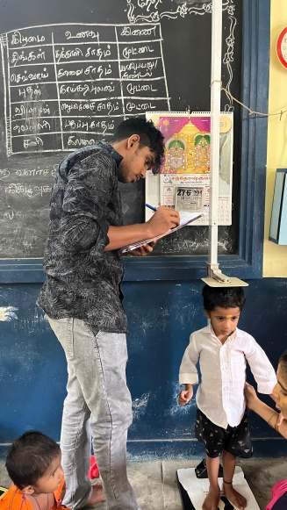
 |  | EB Availability | Yes
 |  | Drinking Water | Yes
 |  | Toilet Availability | Yes
 | 8 | Total Number of children available at AWC | 25
 | 9 | Total No of children measured | 17
 | 10 | Total of stunting
 | 11 | Total of wasting
 | 12 | Total no of underweight | Nil

 | S.No. | Children Name | DOB | Age in months | Height (cm) | Weight (Kg)
 | 1 | Rithika.D | 2022-06-10 | 24 | 82.5 | 11.300
 | 2 | Tamil Selvi.K | 2022-06-16 | 24 | 82.7 | 10.200
 | 3 | Sabarna.M | 2022-06-22 | 24 | 82.0 | 9.700
 | 4 | Karthika.K | 2021-11-11 | 31 | 88.8 | 11.200
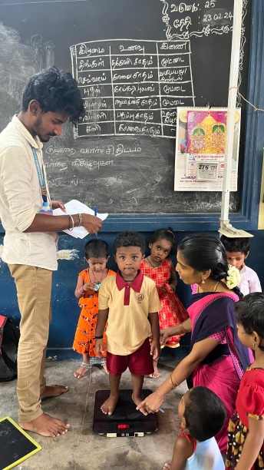
 | 5 | Rishma Shree.P | 2021-09-11 | 33 | 92.2 | 11.800
 | 6 | Kaviyasri Pandiyan | 2022-03-01 | 27 | 91.5 | 13.000
 | 7 | Kalaiyarasi.K | 2021-10-23 | 32 | 82.5 | 10.700
 | 8 | Parthesh Kumar.K | 2022-01-23 | 29 | 87.6 | 11.600
 | 9 | Dhakshan pandiyan.S | 2021-12-02 | 30 | 87.0 | 10.800
 | 10 | Sailesh.G | 2022-05-06 | 25 | 90.0 | 1.100
 | 11 | Prithivik.M | 2021-10-12 | 32 | 92.6 | 12.400
 | 12 | Sanvika.P | 2020-12-30 | 41 | 88.7 | 10.200
 | 13 | Shivan.G | 2020-02-27 | 52 | 95.3 | 13.000
 | 14 | Aran.T | 2020-08-13 | 46 | 99.8 | 14.200
 | 15 | Mukunth.R | 2021-08-31 | 33 | 89.3 | 11.500
 | 16 | Shanmugavel Pandian.M | 2022-03-15 | 27 | 83.6 | 9.600
 | 17 | Narun Navi.S | 2021-04-16 | 38 | 90 | 11.800

Day-7
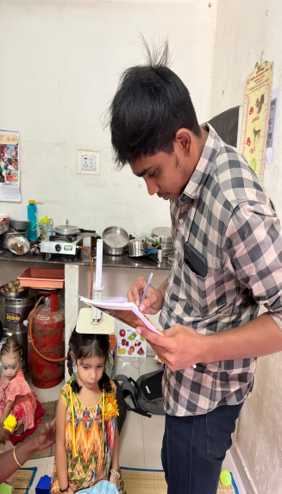
DAY-7

INTEGRATED CHILD DEVELOPMENT SERVICE (ICDS)

BATCH NO.2 ( LOGESH RAM.K, SRI RAM CHANDRA.M ,DHARSAN .V )

VISITED TIME :9.45AM |  |  |  | DATE:28.06.2024

1 | Name of the Block | Project 2
2 | Name of the Anganwadi Centre | Kennedy Hospital
3 | Name of the Anganwadi Worker | Ramalakshmi.V
4 | Name of the Anganwadi Helper | Vasanthi.S
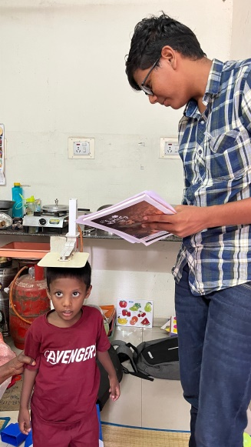
5 | Building Ownership | Own
6 | Building Type | Pukka
7 | Building Facilities
 | EB Availability | Yes
 | Drinking Water | No
 | Toilet Availability | No
8 | Total Number of children available at AWC | 15
9 | Total No of children measured | 10
10 | Total of stunting
11 | Total of wasting
12 | Total no of underweight | Nil

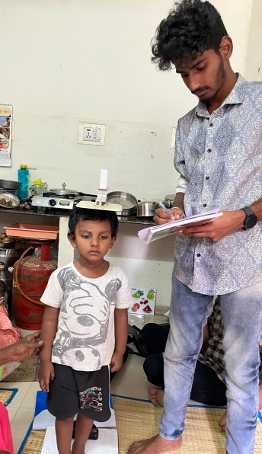
S.No. | Children Name | DOB | Age in months | Height (cm) | Weight (Kg)
1 | Vishakan.V | 2021-04-01 | 38 | 92.6 | 12.700
2 | Hashini.K | 2022-08-02 | 22 | 77.9 | 8.600
3 | Adhithiyan.P | 2023-08-01 | 10 | 68.9 | 7.200
4 | Tharun Dev.M | 2021-08-23 | 34 | 98.4 | 14.700
5 | Harshitha.T | 2022-06-03 | 24 | 80.3 | 9.500
6 | Dhesha shree.K | 2022-12-15 | 18 | 74.8 | 7.600
7 | Rithaniyan.M.A | 2023-08-21 | 10 | 70.6 | 8.700
8 | Inivel Kushian.L | 2022-12-25 | 18 | 78.4 | 10.000
9 | Leesitha.K | 2021-08-01 | 34 | 89.2 | 11.700
10 | Sankar Gomathi.K | 2021-12-22 | 30 | 83.7 | 9.600

